Sheet1
cluster | RA | DEC | Galactic longitude | Galactic latitude | Distance | Reddening | Distance modulus | Log Age | DSSN image | CCD PLOTS | Stars | Density | CMD availability | Brightness apparent mag | Faint observable mag | DSS image | CCD plots
ASCC 118 | 22 08 23 | 61 05 59 | 104.48 | 4.21 | 900 | 0.3 | 10.7 | 7.02 | 25x25 arcmin | N | 0
Pismis moreno 1 | 22 18 46 | 63 16 12 | 106.72 | 5.31 | 900 | 0.5 | 11.32 | 7.55 | 19x19 arcmin | N | 0
King 19 | 23 08 18 | 60 31 00 | 110.57 | 0.144 | 1967 | 0.547 | 13.16 | 8.557 | 10x10arcmin | Y | 252 | Sparse | Yes, clean locus | 9 | 22 | Included | Available
NGC 7380 | 22 47 21 | 58 07 54 | 107.141 | -0.884 | 2222 | 0.602 | 13.6 | 7.077 | 20x20 arcmin | Y | 893
NGC 7296 | 22 28 02 | 52 19 00 | 101.882 | -4.595 | 2930 | 0.15 | 12.8 | 8 | 10X10arcmin | Y | 137 | Moderate | Yes. Moderate scatter | 9.7 | 21.8 | Included | Available
IC 5146 | 21 53 24 | 47 16 00 | 94.383 | -5.495 | 852 | 0.593 | 11.49 | 6 | 20x20 arcmin | Y | 675 | Crowded | Yes, clean locus | 7.2 | 21.5 | Included | Available

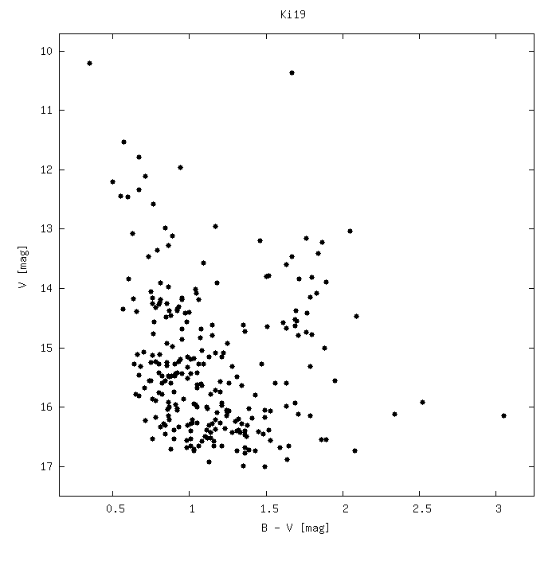
 |  |  |  |  |  |  |  |  |  | King 19 |  |  |  |  | NGC 7296 |  |  | IC 5146
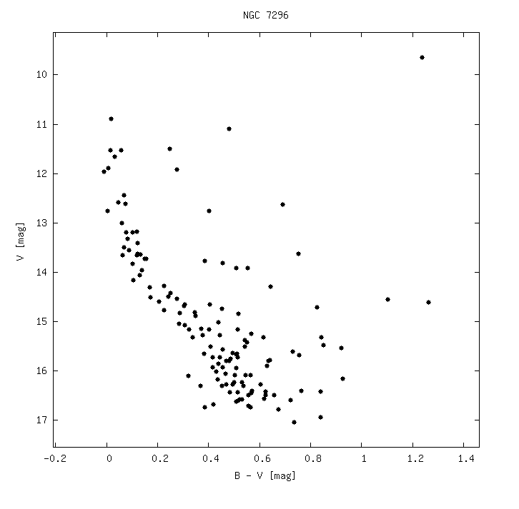
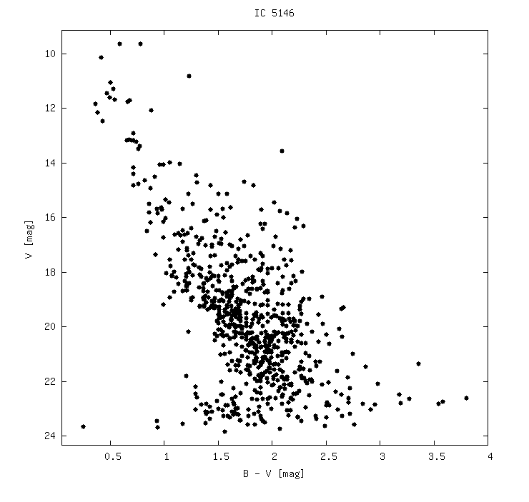
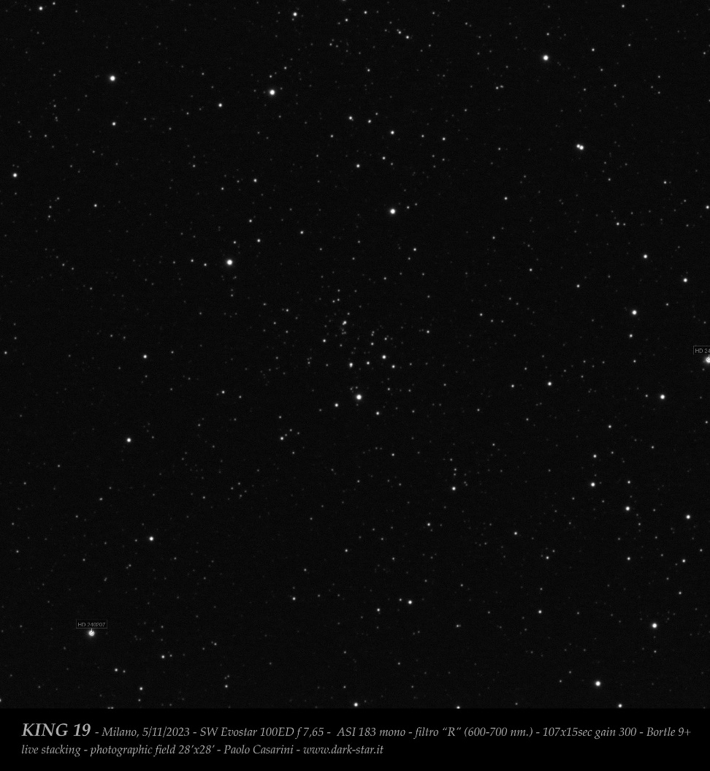
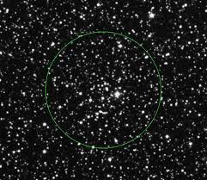
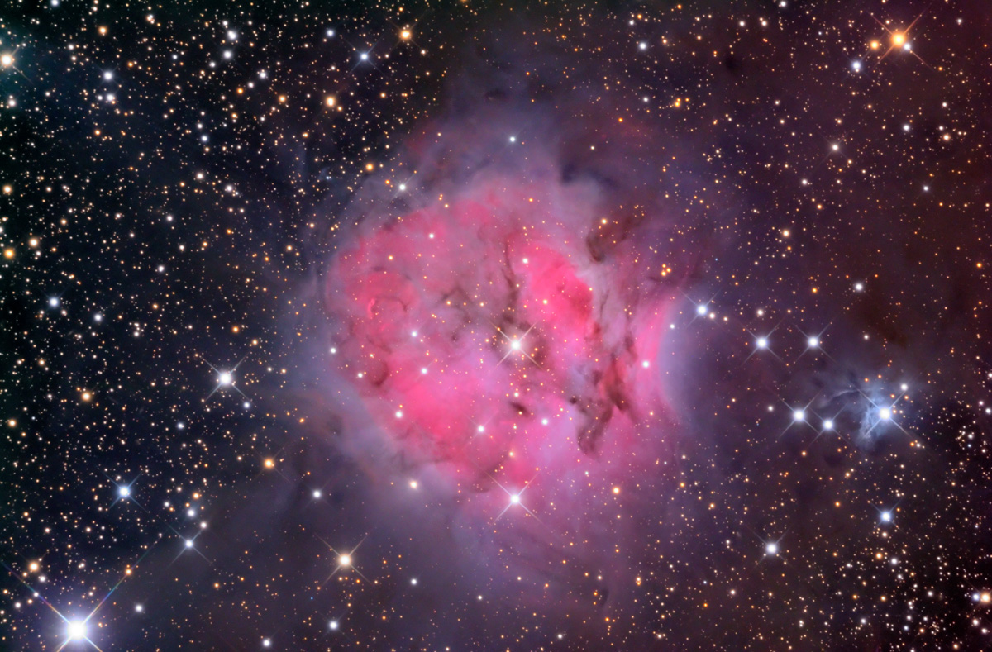

CCD plot for NGC 7296 |  |  | IC 5146 |  |  | King 19

